Flight Controller
Flight Controller

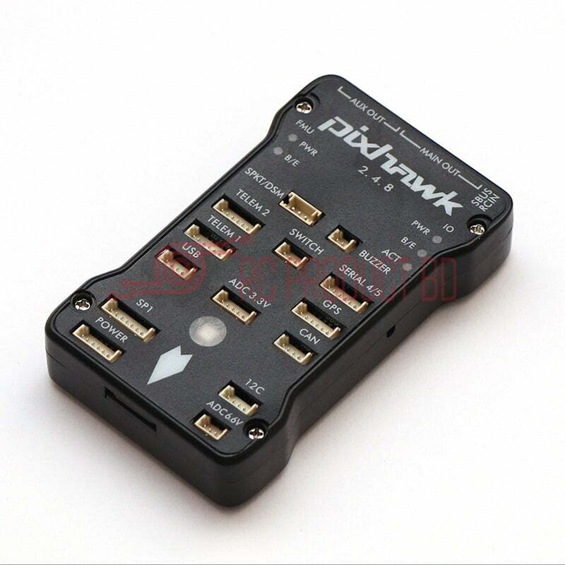
 | Model | Pixhawk 2.4.8
 | Processor | ARM Cortex M4 + Failsafe Coprocessor
 | RAM | 256KB
 | Flash Memory | 2MB
 | Frequency | 168MHz
 | Operating Voltage | ~5V
 | Sensors | MPU6000 Gyro + Accelerometer
 |  | ST Micro 16-bit Gyro
 |  | ST Micro 14-bit accelerometer + compass
 |  | MEAS Barometer
 | Weight | 38g
 | Dimensions | 81.5 x 50 x 15.5 mm

GPS Tracker
GPS Module

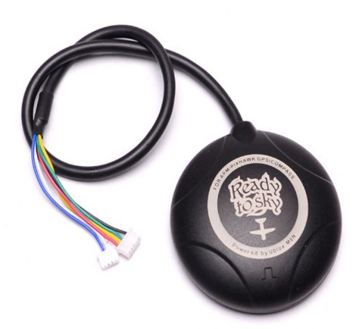
 | Model | NEO-M8N GPS Module
 | Reciever Type | 72-Channel M8 engine
 | Position Accuracy | 2 - 2.5 m
 | Acceleration | <4g
 | Navigation Update Rate | 18 Hz
 | Avg cold start time | 30 s
 | Warm start time | 1 s
 | Max Altitude | 18000 m
 | Dimensions | 54 x 22 mm (diameter x height)
 | weight | 23g

Telemetry
Pixhawk Radio Telemetry

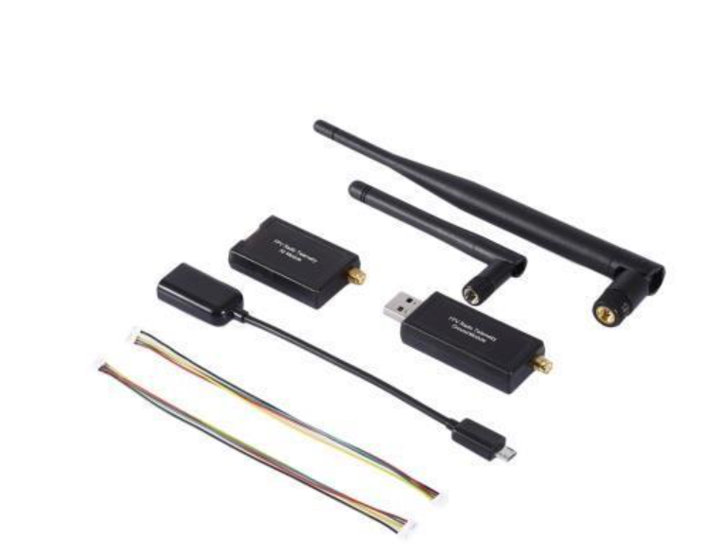
 | Model | 433 MHz Radio Telemetry
 | Power | 500mW
 | Air Data Speed | 250kbps
 | Weight (Air Module) | 19g (with antenna)
 | size (box) | 45 x 30 x 10 mm
 | Range | 2.5km

Flight Computer
Raspbery Pi

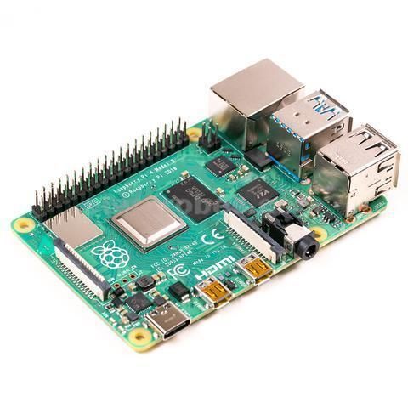
 | Model | Raspberry Pi Model 4 B
 | RAM | 4GB
 | Voltage | 5V
 | Frequency | 1.5GHz
 | Weight | 50g
 | Dimensions | 3.94 x 2.76 x 1.18 in

Camera
Camera

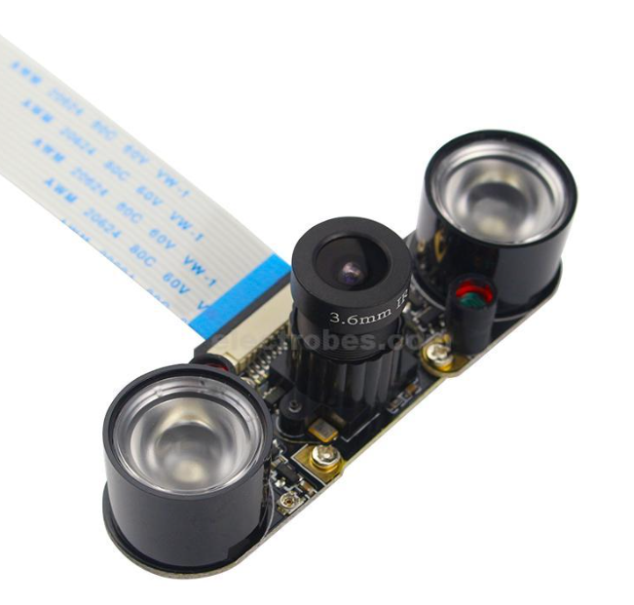
 | Model | Raspberry Pi Night Vision Camera
 | Resolution | 5MP, 1080P
 | Video quality | 30fps (1080p)
 | Still Picture Resolution | 2592 x 1944
 | Weight | 3g
 | Dimensions | 20 x 25 x 9 mm

